RULES
CVAD RULE NAME | PURPOSE | EVOKE | LOGIC | ACTION | BUILD
CVAD_DRESSING_CHANGE | Place an order for CVAD Docset once a value is charted against CVAD Date dressing changed. | DTA [CVAD date dressing changed] is modified or authorised | DTA [CVAD date dressing changed date] is not equal to ABT | Add order [CVAD Docset] with time of 7 days from current system date/time | X
CVAD_IV_SET_CHNAGE | Cancel existing order for CVAD Docset once a value is charted against CVAD removed. | DTA [CVAD removed] is modified or authorised | DTA [CVAD removed] is not equal to ABT There is an existing order [CVAD Docset] | Cancel existing order(s) [CVAD Docset, NAD change, CVAD IV set change, CVAD Port needle change, CVAD Help lock] | X
CVAD_PORT_NEEDLE_INSERT | Action Group1: If a value is charted against one of the DTAs AND there is an existing order for CVAD Docset on the same encounter; then cancel the existing corresponding orders and add a new order. Action Group2: If a value is charted against one of the DTAs AND no existing corresponding order on the same encounter; then add a new order. | DTA [CVAD date dressing changed] is modified or authorised | DTA [CVAD date dressing changed] is not equal to ABT Encounter type is Inpatient There may be an existing order [CVAD Docset] on same encounter | Cancel existing order [CVAD Docset] Add new order [CVAD Docset] with time of 7 hours from current system date/time | X
 |  | DTA [NAD change] is modified or authorised | DTA [NAD change] is not equal to ABT Encounter type is Inpatient There may be an existing order [NAD change] on same encounter | Cancel existing order [NAD change] and/or Add new order [NAD change] with time of 7 days from current system date/time | X
 |  | DTA [CVAD IV set change] is modified or authorised | DTA [CVAD IV set change] is not equal to ABT Encounter type is Inpatient There may be an existing order [CVAD IV set change] on same encounter | Cancel existing order [CVAD IV set change] and/or Add new order [CVAD IV set change] with time of 96 hours from current system date/time | X
 |  | DTA [CVAD port needle insertion date] is modified or authorised | DTA [CVAD port needle insertion date] is not equal to ABT Encounter type is Inpatient There may be an existing order [CVAD Port needle change] on same encounter | Cancel existing order [Port needle change] and/or Add new order [CVAD Port needle change] with time of 7 days from current system date/time | X
 |  | DTA [CVAD Date lumen locked] is modified or authorised | DTA [CVAD Date lumen locked] is not equal to ABT Encounter type is Inpatient There may be an existing order [CVAD Hep lock] on same encounter | Cancel existing order [Hep lock] and/or Add new order [CVAD Hep lock] with time of 7 days from current system date/time | X
 |  |  |  | New Order/Tasks
CVAD_NAD_CHANGE |  |  |  | CVAD Hep Lock - Red
CVAD_LUMEN_LOCK |  |  |  | CVAD Hep Lock - Blue
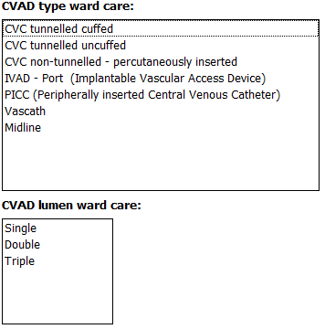
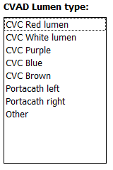
CVAD_CANCEL_TASKS |  |  |  | CVAD Hep Lock - White
 |  |  |  | CVAD Hep Lock - Purple
 |  |  |  | CVAD Hep Lock - Brown
 |  |  |  | CVAD Hep Lock - Portacath Left
 |  |  |  | CVAD Hep Lock - Portacath Right
 |  |  |  | CVAD Hep Lock - Other
 |  |  |  | CVAD NAD Change - Red
 |  |  |  | CVAD NAD Change - Blue
 |  |  |  | CVAD NAD Change - White
 |  |  |  | CVAD NAD Change - Purple
 |  |  |  | CVAD NAD Change - Brown
 |  |  |  | CVAD NAD Change - Portacath Left
 |  |  |  | CVAD NAD Change - Portacath Right
 |  |  |  | CVAD NAD Change - Other
 |  |  | New Event sets/codes/DTAs | CVAD IV set change - Red
 |  |  |  | CVAD IV set change - Blue
 |  |  | CVAD NAD change | CVAD IV set change - White
 |  |  | CVAD IV Set change date | CVAD IV set change - Purple
 |  |  | CVAD port size | CVAD IV set change - Brown
 |  |  |  | CVAD IV set change - Portacath Left
 |  |  |  | CVAD IV set change - Portacath Right
 |  |  |  | CVAD IV set change - Other
 |  |  |  | Second CVAD
 |  | Second CVAD | CVC Red Lumen | CVAD Hep Lock - Red

SCREENSHOTS
